Weekly Progress Report
MODON - Weekly Progress Report - Construction Projects |  |  |  |  |  |  |  |  |  |  |  |  |  |  |  |  |  |  |  |  |  |  |  |  |  |  |  |  |  |  | Data Date | 19-Oct-26
Contract General Information |  |  |  |  |  | Key Dates |  |  |  |  |  | Cost Summary (SR) |  |  |  |  |  |  |  | Performance Summary |  |  |  |  |  | Project Scope
Project Name | Construction of Passenger Station for SAR Railway Sudair Industrial City |  |  |  |  | Contract Award | 31-Mar-26 | Contract Award (Hijri) | 10/12/1447 | Revised Completion | 7-Apr-26 | Original Contract Value |  | 33,090,825 |  | O&M Value |  | 0 |  | Plan Value | 19.04% | Phys. Plan Value | 38.06% | Quality Score | 88.7% | Civil Work , Storm Water Drainage , Sewer , Portable , Electrical , CCTV
Project ID | SUD1-05-018 |  | Stage | Construction |  | Contract Sign | 31-Mar-26 | Contract Sign (Hijri) | 10/12/1447 | Committed Completion | 6-Aug-27 | Revised Contract Value |  | 0 |  | Revised O&M Value |  | 0 |  | Earn Value | 21.44% | Phys. Earn Value | 26.08% |  | ¢¢¢¢¢ ¢¢¢££
Contractor | Technical Dvelopment Co. "TDC" |  | Status | Active |  | Site Handover | 7-Apr-26 | Site Handover (Hijri) | 11/19/1447 | Forecast Completion | 6-Aug-27 | Estimate At Completion Value |  | 33,090,825 |  | Submitted Invoices (Gross Value) |  | 3,048,399 |  | Variance | 2.40% | Variance | (11.98%) | Safety Score | 83.3%
Consultant | Saudi Arabia Consulting Engineering Company "EGIS" |  | Modon PM | Engr.Zyad Al Shabat |  | Original Completion | 6-Aug-27 | Original Completion (Hijri) | 03/03/1449 | Variance | 0 | Potential Changes |  | 0 |  | Total Deduction |  | (2,000) |  | SPI | 1.13 | SPI | 0.69 |  | ¢¢¢¢¢ ¢¢¢££

Progress Overview
Earned Value Progress (SAR) |  |  |  |  |  |  |  |  |  |  |  |  |  | Physical Progress (Effort) |  |  |  |  |  |  |  |  |  |  |  | Earned Value Progress (%)
WBS |  | BOQ Value (SAR) | % Wt. | Weekly (SAR) |  | To Date (SAR) |  |  |  |  |  |  |  | Budgeted | % Wt. | Weekly Physical Progress |  |  |  | To Date Physical Progress
 |  |  |  | Planned | Earned | Original Plan | Cum. Planned | Cum.Earned | Original Plan % | Cum. Planned % | Cum.Earned % | Variance | SPI | (Manhours) |  | Planned | Earned | Plan % | Earned % | Planned | Earned | Plan % | Earned % | Variance | SPI
 |  | - | 0.0% | - | - | - | 22,585 | - | 0.0% | 0.0% | 0.0% | 0.0% |  | - | 0.0% | - | - | 0.0% | 0.0% | - | - | 0.0% | 0.0% | 0.0%
Milestones |  | - | 0.0% | - | - | - | - | - | 0.0% | 0.0% | 0.0% | 0.0% |  | - | 0.0% | - | - | 0.0% | 0.0% | 19,793 | 19,793 | 0.0% | 0.0% | 0.0%
Mobilization |  | - | 0.0% | 0.0% | 0.0% | 0.0% | 0.0% | 0.0% | 0.0% | 0.0% | 0.0% | 0.0% |  | 19154.00 | 3.0% | 0.0% | 0.0% | 0.0% | 0.0% | 0.0% | 0.0% | 0.0% | 0.0% | 0.0%
Engineering |  | - | 0.0% | - | - | - | - | - | 0.0% | 0.0% | 0.0% | 0.0% |  | 31923.40 | 5.0% | - | - | 0.0% | 0.0% | 32,988 | 31,339 | 103.3% | 98.2% | -5.2% | 0.95
Procurement |  | - | 0.0% | - | - | - | - | - | 0.0% | 0.0% | 0.0% | 0.0% |  | 89,386 | 14.0% | 3,134 | 4,642 | 3.5% | 5.2% | 68,347 | 17,130 | 76.5% | 19.2% | -57.3% | 0.25
Construction |  | 33,090,852 | 100.0% | 710,697 | 214,091 | - | 6,301,807 | 7,095,542 | 0.0% | 19.0% | 21.4% | 2.4% | 1.13 | 478,851 | 75.0% | 8,552 | 3,430 | 1.8% | 0.7% | 121,851 | 98,246 | 25.4% | 20.5% | -4.9% | 0.81
Package-1 |  | 22,502,032 | 68.0% | 613,732 | 214,091 | - | 5,886,632 | 7,095,542 | 0.0% | 26.2% | 31.5% | 5.4% | 1.21 | 345,775 | 54.2% | 8,143 | 3,430 | 2.4% | 1.0% | 109,662 | 98,246 | 31.7% | 28.4% | -3.3% | 0.90
ROAD WORKS 1 |  | 17,704,263 | 53.5% | 514,154 | 111,823 | - | 5,366,361 | 6,500,574 | 0.0% | 30.3% | 36.7% | 6.4% | 1.21 | 168,660 | 26.4% | 15,867 | 557 | 9.4% | 0.3% | 73,549 | 78,905 | 43.6% | 46.8% | 3.2% | 1.07
ROAD - 01 |  | 10,400,905 | 31.4% | 275,855 | 111,823 | - | 3,150,987 | 4,140,066 | 0.0% | 39.8% | 39.8% | 0.0% | 1.00 | 96,630 | 15.1% | 1,058 | 557 | 1.1% | 0.6% | 58,740 | 62,660 | 60.8% | 64.8% | 4.1% | 1.07
ROAD - 02 |  | 7,303,358 | 22.1% | 238,299 | - |  | 2,215,374 | 2,360,507 |  |  |  |  |  | 72,030 | 11.3% | 1,164 | - | 1.6% | 0.0% | 14,810 | 16,245 | 20.6% | 22.6% | 2.0% | 1.10
ELECTRICAL WORKS |  | 3,415,753 | 10.3% | 62,395 | 43,660 |  | 246,972 | 62,629 |  |  |  |  |  | 103,222 | 16.2% | - | - | 0.0% | 0.0% | 18,369 | 3,751 | 17.8% | 3.6% | -14.2% | 0.20
MV Network |  | 1,577,890 | 4.8% | 17,205 | - |  | 35,479 | - |  |  |  |  |  | 37,659 | 5.9% | 1,036 | - | 2.8% | 0.0% | 1,036 | - | 2.8% | 0.0% | -2.8% | 0.00
Earthing System |  | 4,795 | 0.0% | - | - |  | - | - |  |  |  |  |  | 173 | 0.0% | - | - | 0.0% | 0.0% | - | - | 0.0% | 0.0% | 0.0%
Street Lighting Network |  | 1,454,545 | 4.4% |  | - |  | 146,450 | 6,383 |  |  |  |  |  | 51,051 | 8.0% | 9,986 | - | 19.6% | 0.0% | 13,326 | 515 | 26.1% | 1.0% | -25.1% | 0.04
TELECOMMUNICATIONS WORKS |  | 378,522 | 1.1% |  | 43,660 |  | 65,043 | 56,247 |  |  |  |  |  | 14,340 | 2.2% | 4,008 | 2,429 | 28.0% | 16.9% | 4,008 | 3,237 | 28.0% | 22.6% | -5.4% | 0.81
LOW VOLTAGE |  | 86,942 | 0.3% |  | - |  |  | 4,927 |  |  |  |  |  | 6,638 | 1.0% | - | 329 | 0.0% | 5.0% | - | 651 | 0.0% | 9.8% | 9.8%
ROAD - 01 |  | 28,981 | 0.1% | - | - | - | 371,500 | 2,029 | 0.0% | 7.0% | 7.0% | 0.0% | 1.00 | 2,072 | 0.3% | - | - | 0.0% | 0.0% | 2,336 | 322 | 112.7% | 15.5% | -97.2% | 0.14
ROAD - 02 |  | 57,961 | 0.2% |  | 869 |  |  |  |  |  |  |  |  | 4,566 | 0.7% |  |  |  |  |  | 328
PORTABLE WATER |  | 379,700 | 1.1% |  | 210,420 |  |  |  |  |  |  |  |  | 46,755 | 7.3%
ROAD - 01 |  | 189,850 | 0.6% |  | (87,613) |  |  |  |  |  |  |  |  | 20,132 | 3.2%
ROAD - 02 |  | 189,850 | 0.6% |  | 3,809 |  |  |  |  |  |  |  |  | 26,623 | 4.2%
SEWARAGE NETWORK |  | 621,335 | 1.9% |  | 20,653 |  |  |  |  |  |  |  |  | 19,752 | 3.1%
ROAD - 01 |  | 372,801 | 1.1% |  |  |  |  |  |  |  |  |  |  | 12,695 | 2.0%
ROAD - 02 |  | 248,534 | 0.8% |  |  |  |  |  |  |  |  |  |  | 7,057 | 1.1%
STORM WATER |  | 294,040 | 0.9% |  |  |  |  |  |  |  |  |  |  | 749 | 0.1%
ROAD N... |  | 294,040 | 0.9% |  |  |  |  |  |  |  |  |  |  | 749 | 0.1%
Package-3 |  | 10,588,820 | 32.0% |  |  |  |  |  |  |  |  |  |  | 133,075 | 20.8%
Site Works |  | 21,090 | 0.1% |  |  |  |  |  |  |  |  |  |  | 1,836 | 0.3%
Earthworks |  | 21,090 | 0.1% |  |  |  |  |  |  |  |  |  |  | 1,836 | 0.3%
Platform Works |  | 6,003,782 | 18.1% |  |  |  |  |  |  |  |  |  |  | 68,965 | 10.8%
Platform Substructure |  | 5,037,344 | 15.2% | - | - | - | 371,500 | - | 0.0% | 0.0% | 0.0% | 0.0% |  | 47,411 | 7.4% | - | - | 0.0% | 0.0% | 2,336 | - | 4.9% | 0.0% | -4.9% | 0.00
Finishes & Architectural Works |  | 966,437 | 2.9% | - | - | - | - | - | 0.0% | 0.0% | 0.0% | 0.0% |  | 21,152 | 3.3% | - | - | 0.0% | 0.0% | - | - | 0.0% | 0.0% | 0.0%
 | Total | 33,090,825 | 100.0% | 795,260 | 214,091 | - | 6,301,807 | 7,095,542 | 0.00% | 19.04% | 21.44% | 2.40% | 1.13 | 638,468 | 100.0% | 11,686 | 8,072 | 1.83% | 1.26% | 242,979 | 166,508 | 38.06% | 26.08% | -11.98% | 0.69
Earned Value - Cost
 | Baseline Plan | Revised / Recovery Plan | Earned Value | Forecast | Gross Paid Value
Apr-26 | 0.00% |  | 0.00% |  | 0.00%
May-26 | 0.01% |  | 1.20% |  | 0.00%
Jun-26 | 0.02% |  | 4.16% |  | 0.00%
Jul-26 | 0.13% |  | 7.77% |  | 0.00%
Aug-26 | 9.27% |  | 16.41% |  | 0.00%
Sep-26 | 32.37% |  | 17.86% |  | 0.00%
Oct-26 | 44.67% |  | 21.44% | 21.44% | 0.00%
Nov-26 | 51.83% |  |  | 40.86% | 0.00%
Dec-26 | 63.20% |  |  | 63.20% | 0.00%
Jan-27 | 69.67% |  |  | 69.67%
Feb-27 | 74.62% |  |  | 74.62%
Mar-27 | 80.98% |  |  | 80.98%
Apr-27 | 84.74% |  |  | 84.74%
May-27 | 87.63% |  |  | 87.63%
Jun-27 | 92.44% |  |  | 92.44%
Jul-27 | 99.63% |  |  | 99.63%
Aug-27 | 100.00% |  |  | 100.00%
Physical Progress - Effort
 | Baseline Plan | Revised / Recovery Plan | Earned Effort % | Forecast
Apr-26 | 5.67% |  | 4.24%
May-26 | 7.31% |  | 8.17%
Jun-26 | 9.54% |  | 9.63%
Jul-26 | 12.17% |  | 12.86%
Aug-26 | 22.02% |  | 19.87%
Sep-26 | 30.61% |  | 23.31%
Oct-26 | 38.36% |  | 26.08% | 26.08%
Nov-26 | 44.72% |  |  | 44.72%
Dec-26 | 52.41% |  |  | 52.41%
Jan-27 | 57.00% |  |  | 57.00%
Feb-27 | 60.67% |  |  | 60.67%
Mar-27 | 69.48% |  |  | 69.48%
Apr-27 | 78.31% |  |  | 78.31%
May-27 | 84.35% |  |  | 84.35%
Jun-27 | 92.89% |  |  | 92.89%
Jul-27 | 99.78% |  |  | 99.78%
Aug-27 | 100.00% |  |  | 100.00%
 |  |  |  |  |  |  |  |  |  |  |  |  |  |  |  |  |  |  |  |  |  |  |  |  |  | Construction Milestones
 |  |  |  |  |  |  |  |  |  |  |  |  |  |  |  |  |  |  |  |  |  |  |  |  |  | Item No. | Milestones |  | Original (Baseline) | Latest Plan | Forecast | Status | Days Change
 |  |  |  |  |  |  |  |  |  |  |  |  |  |  |  |  |  |  |  |  |  |  |  |  |  | 1 | Project Start Milstone |  | 7-Apr-26 | 7-Apr-26 | 7-Apr-26 | Finish | 0
 |  |  |  |  |  |  |  |  |  |  |  |  |  |  |  |  |  |  |  |  |  |  |  |  | #REF! | 2 | Mobilization Finish Milestone |  | 6-May-26 | 6-May-26 | 6-May-26 | Finish | 0
 |  |  |  |  |  |  |  |  |  |  |  |  |  |  |  |  |  |  |  |  |  |  |  |  | #REF! | 3 | Work Plan and Timeline Milestone |  | 6-May-26 | 16-Aug-26 | 16-Aug-26 | UP | (102)
 |  |  |  |  |  |  |  |  |  |  |  |  |  |  |  |  |  |  |  |  |  |  |  |  | #REF! | 4 | Completion of MV Work |  | 22-May-27 | 5-May-27 | 5-May-27 | UP | 17
 |  |  |  |  |  |  |  |  |  |  |  |  |  |  |  |  |  |  |  |  |  |  |  |  | #REF! | 5 | Completion of road and paving works Milestone |  | 6-Dec-26 | 31-Dec-26 | 31-Dec-26 | UP | (25)
 |  |  |  |  |  |  |  |  |  |  |  |  |  |  |  |  |  |  |  |  |  |  |  |  | #REF! | 6 | Completion of site and platform work Milestone |  | 20-Jul-27 | 5-Aug-27 | 5-Aug-27 | UP | (16)
 |  |  |  |  |  | 20000000 |  |  |  |  |  |  |  |  |  |  |  |  |  |  |  |  |  |  | #REF! | 7 | Completion of finishing works and general site works |  | 20-Jul-27 | 6-Aug-27 | 6-Aug-27 | UP | (17)
 |  |  |  |  |  |  |  |  |  |  |  |  |  |  |  |  |  |  |  |  |  |  |  |  | #REF! | 8 | Engineering Phase Finish Milestone |  | 6-May-26 | 21-Sep-26 | 21-Sep-26 | UP | (138)
 |  |  |  |  |  |  |  |  |  |  |  |  |  |  |  |  |  |  |  |  |  |  |  |  | #REF! | 9 | Procurment Phase Finish Milestone |  | 15-Apr-27 | 9-Jun-27 | 9-Jun-27 | UP | (55)
Project Status Score
 | 1 | 1
Actual Invoices
 | Monthly Gross Value
 | 2,573,925.60
 | 474,473.73

0

Performance overview
Submittals Status |  |  |  |  |  |  |  |  |  |  | Quality |  |  |  |  |  |  |  |  |  |  | Safety
Shop Drawings |  |  |  |  |  |  |  |  |  |  | Quality Reports |  |  |  |  |  |  |  |  |  |  | Safety Statistics |  |  |  |  |  |  |  | Proactive Vs Reactive Actions Taken
Item Per WBS |  | Total | Total Submitted Drawings |  |  |  |  | Remaining | Pending | Total Submittals | Quality Reports |  | Issued | Closed | Pending | Avg. Closing (Days) | Pending |  |  |  |  | Category | Item |  | This Week |  | This Month | Year to Date | Cumulative
 |  |  | A | B | C | D | Processed |  |  |  |  |  |  |  |  |  | 0-10 Days | 11-20 Days | 21-30 Days | 31-60 Days | > 60 Days
Roadwork |  | 90 | 80 | 10 | 0 | 0 | 90 | 0 | 0 | 90 |  |  |  |  |  |  |  |  |  |  |  | General | Total Hours Worked |  | 4,280 |  | 9,540 | 77,050 | 77,050 |  |  | Proactive | 42
wet network(sewer,,potable) |  | 47 | 13 | 34 | 0 | 0 | 47 | 0 | 0 | 47 | Non Conformance (NCR) |  | 4 | 4 | 0 | 0 | 0 | - | - | - | - |  | Safe Hours Worked |  | 4,280 |  | 9,540 | 77,050 | 77,050 |  |  | Reactive | 0
Telecom |  | 15 | 8 | 7 | 0 | 0 | 15 | 0 | 0 | 15 | Site Instruction (SIR) |  | 0 | 0 | 0 | 0 | - | 0 | 0 | 0 | 0 | Reactive | 0 |  | 0 |  | 0 | 22 | 0
Lighting |  | 28 | 8 | 20 | 0 | 0 | 28 | 0 | 0 | 28 | Material Inspection (MIR) |  | 15 | 15 | 0 | 0 | 0 | 0 | 0 | 0 | 0 |  | 0 |  | 0 |  | 0 | 0 | 0
Electrical |  | 24 | 5 | 19 | 0 | 0 | 24 | 0 | 0 | 24 | Field Inspection (FIR) |  | 152 | 143 | 9 | 0 | 9 | 0 | 0 | 0 | 0 |  | 0 |  | 0 |  | 0 | 20 | 0
TOTAL |  | 204 | 114 | 90 | 0 | 0 | 204 | 0 | 0 | 204 | Key Submittals Approval Status |  |  |  |  |  |  |  |  |  |  |  | 0 |  | 0 |  | 0 | 0 | 0
Material Approval |  |  |  |  |  |  |  |  |  |  | 1 Quality Plan Approval |  |  | 11-May-26 |  | 6 Baseline Approval |  |  |  | 2-Aug-26 |  |  | 0 |  | 0 |  | 0 | 0 | 0 | Total Hours Worked Vs Safe Hours Worked
Item Per WBS |  | Total | Total Submitted Material |  |  |  |  | Remaining to approve | Pending | Total Submittals | 2 Quality Plan Last Up |  |  | 11-May-26 |  | 7 No of Approved Version of Schedule |  |  |  | - |  |  | 0 |  | 0 |  | 0 | 0 | 0
 | Total Hours Worked | Safe Hours Worked
 | 77,050 | 77,050
 |  |  | A | B | C | D | Processed |  |  |  | 3 Safety Plan Approval |  |  | 6-May-26 |  | 8 Last Approved Schedule |  |  |  | - |  |  | 0 |  | 0 |  | 0 | 0 | 0
Civil /Structural /Architectural |  | 20 | 0 | 18 | 1 | 0 | 19 | 0 | 1 | 20 | 4 Safety Plan Last Up |  |  | 30-Apr-26 |  | 9 BOQ Approval Date |  |  |  | - |  |  | 0 |  | 0 |  | 0 | 0 | 0
Electrical |  | 16 | 1 | 13 | 2 | 0 | 16 | 0 | 0 | 16 | 5 Construction Plan Approval |  |  | - |  | 10 No of Approved Version of BOQ |  |  |  | - |  |  | 0 |  | 0 |  | 0 | 0 | 0
Mechanical |  | 7 | 0 | 7 | 0 | 0 | 7 | 0 | 0 | 7 | Invoices Summary |  |  |  |  |  |  |  |  |  |  | Proactive | 0 |  | 0 |  | 0 | 0 | 0
 |  |  |  |  |  |  |  |  |  |  | Total Submitted Invoices |  | 2 | Submitted Invoices (SAR) |  |  | 3,048,399 |  | Contract Value (SR) | 0 |  |  | No.of Internal Training |  | 1 |  | 3 | 22 | 22
 |  |  |  |  |  |  |  |  |  |  | PM Approved Invoices |  | 0 | PM Approved Invoices (SAR) |  |  | 0 |  | Planned Value (SR) | 6,301,807 |  |  | No.of Internal Audit |  | 0 |  | 0 | 0 | 0
TOTAL |  | 43 | 1 | 38 | 3 | 0 | 42 | 0 | 1 | 43 | No of Paid Invoices |  | 0 | Paid Invoices (SAR) |  |  | 0 |  | Earned Value (SR) | 7,095,542 |  |  | No. of Toolbox Talks |  | 1 |  | 3 | 20 | 20
Procurement Summary |  |  |  |  |  |  |  |  |  |  | No of Pending Invoices |  | 2 | Last Submitted Period |  |  | 0 |  | Submitted (SAR) | 3,048,399 |  |  | Safety Awards/Incentives |  | 0 |  | 0 | 0 | 0
Item Per WBS |  | Total Materials | Total Number of P.O. | Actual P.O. To Date | Remaining P.O | Material on Site | Remaining Materials | Material Delivery Completion (Date) |  |  | Advance Payment % |  | 0% | Advance Payment (SAR) |  |  | 0 |  | PM Approved (SAR) | 0 |  | Latest Contract Change Order Log
 |  |  |  |  |  |  |  |  |  |  | Retention % |  | 0% | Retention (SAR) |  |  | 0 |  | Total Paid (SAR) | 0
Civil /Structural /Architectural |  | 3 | 2 | 2 | 1 | 0 | 3 | - |  |  | Deduction / Penalties % |  | 0% | Deduction / Penalties (SAR) |  |  | (2,000) |  |  |  |  | CCO No. | Date Added | Description of Change |  |  |  |  | Status | Cost | Sch Impact (Months) | Date Approved | Duration
Electrical |  | 18 | 15 | 15 | 3 | 6 | 6 | - |  |  | Resources at Site
Mechanical |  | 6 | 5 | 5 | 1 | 3 | 3 | - |  |  | Head Count - Manual |  |  |  | Head Count - Non Manual |  |  |  | Total Head Count |  |  | - | - | - |  |  |  |  | - | - | - | - | -
 |  |  |  |  |  |  |  |  |  |  | Planned | Actual | Next Month Forecast | Saudi Staff | Planned | Actual | Next Month Forecast | Saudi Staff | Total Plan | Total Actual | Variance
 |  |  |  |  |  |  |  |  |  |  | 40 | 65 | 0 | 0 | 20 | 22 | 0 | 3 | 60 | 87 | 27
TOTAL |  | 27 | 22 | 22 | 5 | 9 | 12 | 0 |  |  | Manpower Breakdown by Trade |  |  |  |  |  |  | Major Equipment
 | Plan - Monthly | Actual - Monthly | Forecast - Monthly
Apr-26 | 18 | 41
May-26 | 30 | 48
Jun-26 | 36 | 62
Jul-26 | 41 | 65
Aug-26 | 47 | 31
Sep-26 | 123 | 31
Oct-26 | 185 | 65
Nov-26 | 200
Dec-26 | 231
Jan-27 | 226
Feb-27 | 219
Mar-27 | 204
Apr-27 | 203
May-27 | 136
Jun-27 | 137
Jul-27 | 106
Aug-27 | 7
Primavera P6 Schedule Status |  |  |  |  |  |  |  |  |  |  | Key Trade | Planned | Actual |  |  |  |  | Type | Planned | Actual | Idle
Project Activities Overview |  |  |  |  |  |  |  |  |  |  | Engineer | 2 | 10 |  |  |  |  | Pick Up/Car | 1 | 2 | 0
Schedule Statistics |  |  |  |  | Active Schedule Activities |  |  |  |  |  | Doc. Controller | 1 | 1 |  |  |  |  | Bus | 1 | 2 | 0 | Major Quantity Trackers
Total Act. | Not Started | In Progress | Completed | % | Active | Ahead | On | Behind | Flag | 0 | Proc. Team | 1 | 1 |  |  |  |  | Dump Truck | 10 | 12 | 0 | BOQ N0. | Item Description |  |  |  |  | Total Qty | Measu Unit | Plan to Date | Act to Date | Remaining | Variance
855 | 586 | 46 | 223 | 26.08% | 10 | 15 | 0 | 22 | (7) |  | Foreman | 2 | 3 |  |  |  |  | Boom Truck | 0 | 2 | 0 | B1.32 11 13.01 | Subgrade |  |  |  |  | 20530 | m3 | 0.00 | 15000.00 | 5530.00 | 0.00
Critical Path Activities |  |  | Free Float Management (Total) |  |  |  | Failed Start Activities |  |  |  | Draftman | 1 | 1 |  |  |  |  | Generator | 1 | 1 | 0 | B1.32 11 23.01 | Aggregate base course |  |  |  |  | 16375.94 | m3 | 0.00 | 9875.94 | 6500.00 | 0.00
 |  |  | Greater Than 14 Days |  | Less Than 14 Days |  |  |  |  |  | Driver | 5 | 31 |  |  |  |  | CRANE | 0 | 1 | 0 | B1.32 12 16.01 | Asphalt |  |  |  |  | 13360 | m3 | 0.00 | 573.00 | 12787.00 | 0.00
Last Week | This Week | Diff | Last Week | This Week | Last Week | This Week | Last Week | This Week | Flag | 0 | UnSkilled Labor | 15 | 20 |  |  |  |  | Showel | 0 | 1 | 0 | B1.32 14 13.13.01 | Interlock |  |  |  |  | 27900 | m2 | 0.00 | 0.00 | 27900.00 | 0.00
0 | 0 | 0 | 53 | 172 | 598 | 570 | 0 | 2 | -2 |  | Total | 40 | 87 |  |  |  |  | Total | 13 | 21 | 0 | B1.32 16 13.23.01 | Curbstone |  |  |  |  | 20555 | m2 | 0.00 | 0.00 | 20555.00 | 0.00
Testing And Commissioning |  |  |  |  |  |  |  |  |  |  |  |  |  |  |  | Top Issues and Risks
 |  |  |  |  |  |  |  |  |  |  |  |  |  |  |  | Top 5 Issues
Item | Planned Start Date |  | Planned Finish Date |  | Forecast Start Date |  | Forecast Finish Date |  | Actual Start Date |  | Actual Finish Date |  | % Completed | Open Comments | Closed Comments | Issue No | Date Identified | Issue Description |  |  |  | Responsible | Action Taken |  |  | Mitigation |  |  |  |  | Current Status | Expected/Actual Closure | Duration Elapsed
Civil Works | 9-May-27 |  | 31-May-27 |  | 6-Jun-27 |  | 23-Jun-27 |  |  |  |  |  | 0% | 0 | 0 | 3120-11 | 2026-10-03 | Equipment operator found working zone with Non-compalince to site mandatory PPE. |  |  |  | Contractor/HSE Team | it was ensure to wear the mandatory PPE all the time when present on site |  |  |  |  |  |  |  | Close | 2 | 1
Storm Water Drainage Network | 19-Jan-27 |  | 6-Feb-27 |  | 18-Mar-27 |  | 5-Apr-27 |  |  |  |  |  | 0% | 0 | 0 | 3120-12 | 2026-10-10 | Observe Hot Work activity without proper control measure Fire safety |  |  |  | Contractor/HSE Team | Provide Fire Extinguisher and other requirements as per Hot work requirements. |  |  |  |  |  |  |  | Close | 2 | 1
Sewerage Network | 14-Mar-27 |  | 31-Mar-27 |  | 25-Jan-27 |  | 13-Feb-27 |  |  |  |  |  | 0% | 0 | 0 | 3120-13 | 2026-10-11 | Observe site without mandatory PPE complaince |  |  |  | Contractor/HSE Team | Wear the mandatory PPE all the time when present on site |  |  |  |  |  |  |  | Close | 2 | 1
Portable Water | 22-Mar-27 |  | 8-Apr-27 |  | 28-Mar-27 |  | 14-Apr-27 |  |  |  |  |  | 0% | 0 | 0 | 3120-14 | 2026-10-18 | Observe dust created at temporary vehicles roads due insuffient dust control measures. |  |  |  | Contractor/HSE Team | Ensure dust control by regular spraying of water on vehicles routes |  |  |  |  |  |  |  | Close | 2 | 1
Electrical Works | 18-Jul-27 |  | 3-Aug-27 |  | 8-Jul-27 |  | 26-Jul-27 |  |  |  |  |  | 0% | 0 | 0 | 3120-15 | 2026-10-17 | Observe non complaince of mandatory PPE by equipment operators |  |  |  | Contractor/HSE Team | Wear the mandatory PPE all the time by equipment operators when present on site |  |  |  |  |  |  |  | Close | 2 | 1
CCTV Works | 22-Jul-27 |  | 6-Aug-27 |  | 12-Jul-27 |  | 27-Jul-27 |  |  |  |  |  | 0% | 0 | 0

Weekly Photos
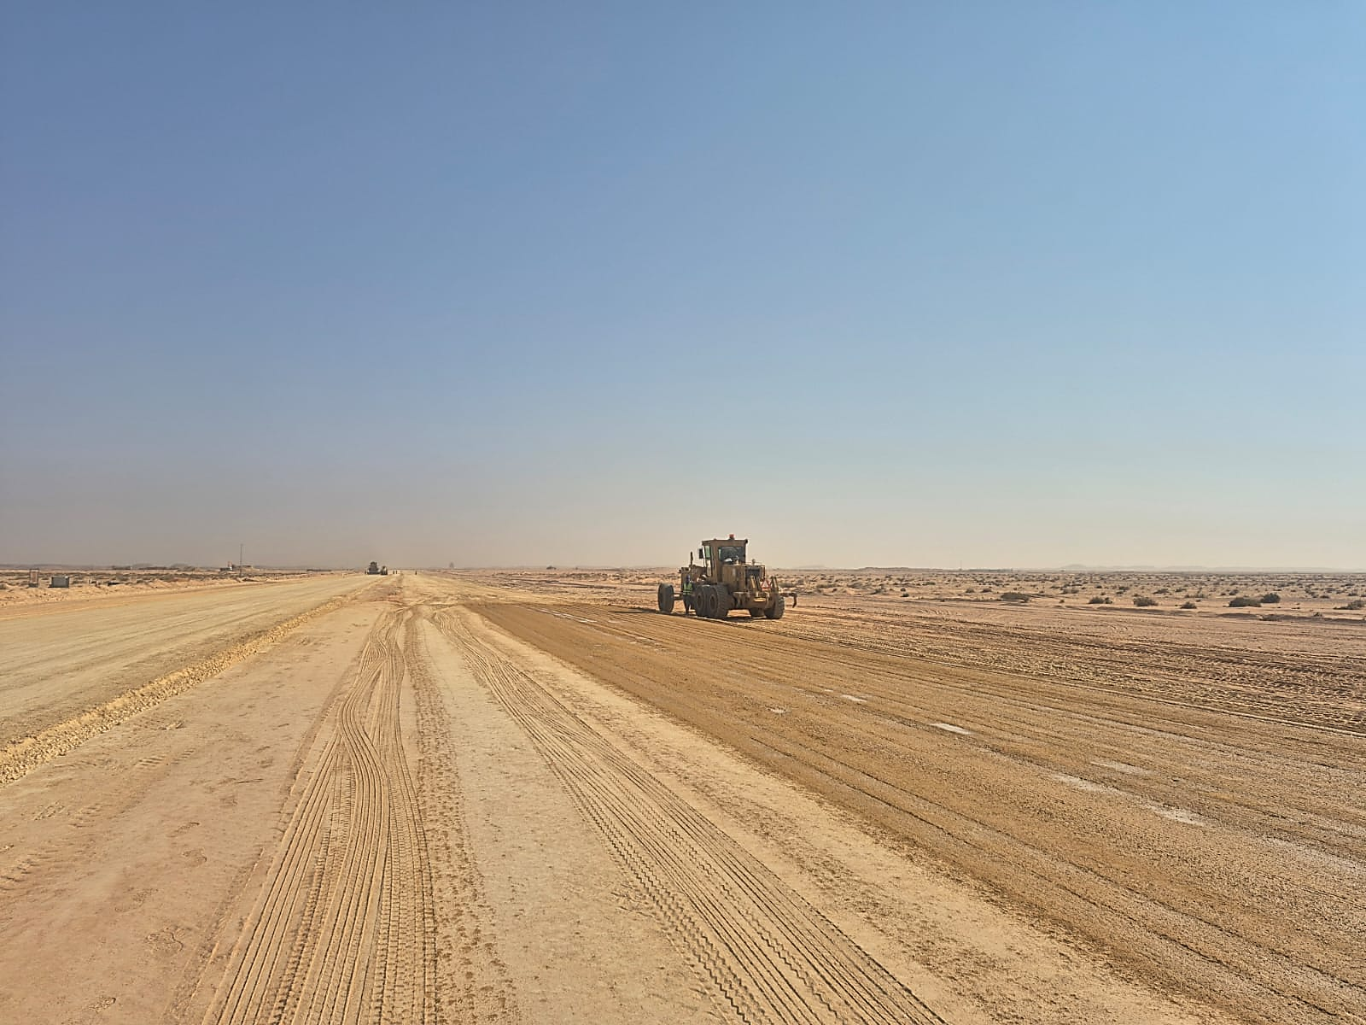
WEEKLY PROGRESS PHOTOS |  | Data Date | 19-Oct-26
Asphalt base course first layer 8 cm at Road 1 | Asphalt base course first layer 8 cm at Road 1
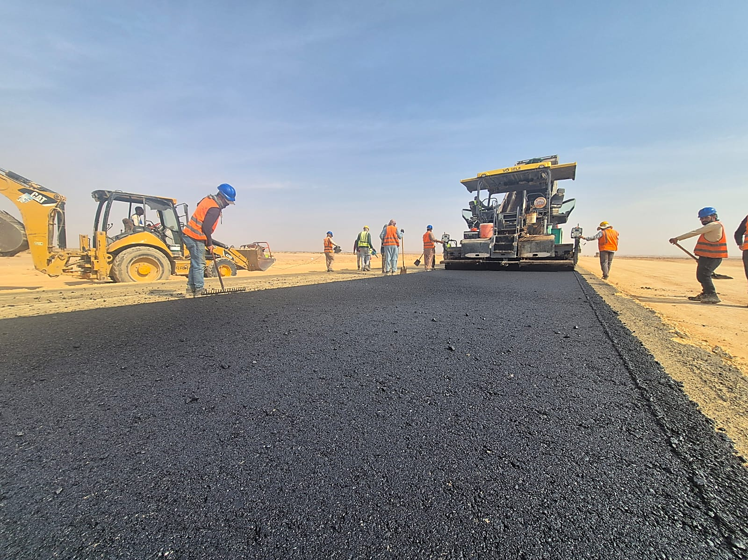 | 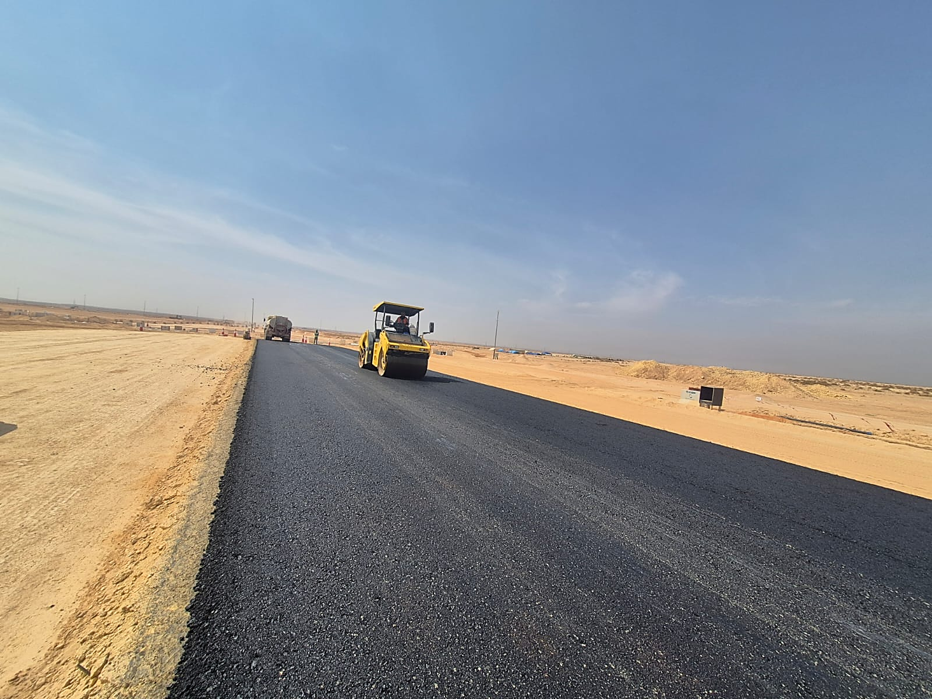

Aggregate Base course layer at Road 1 | Aggregate Base course layer at Road 1
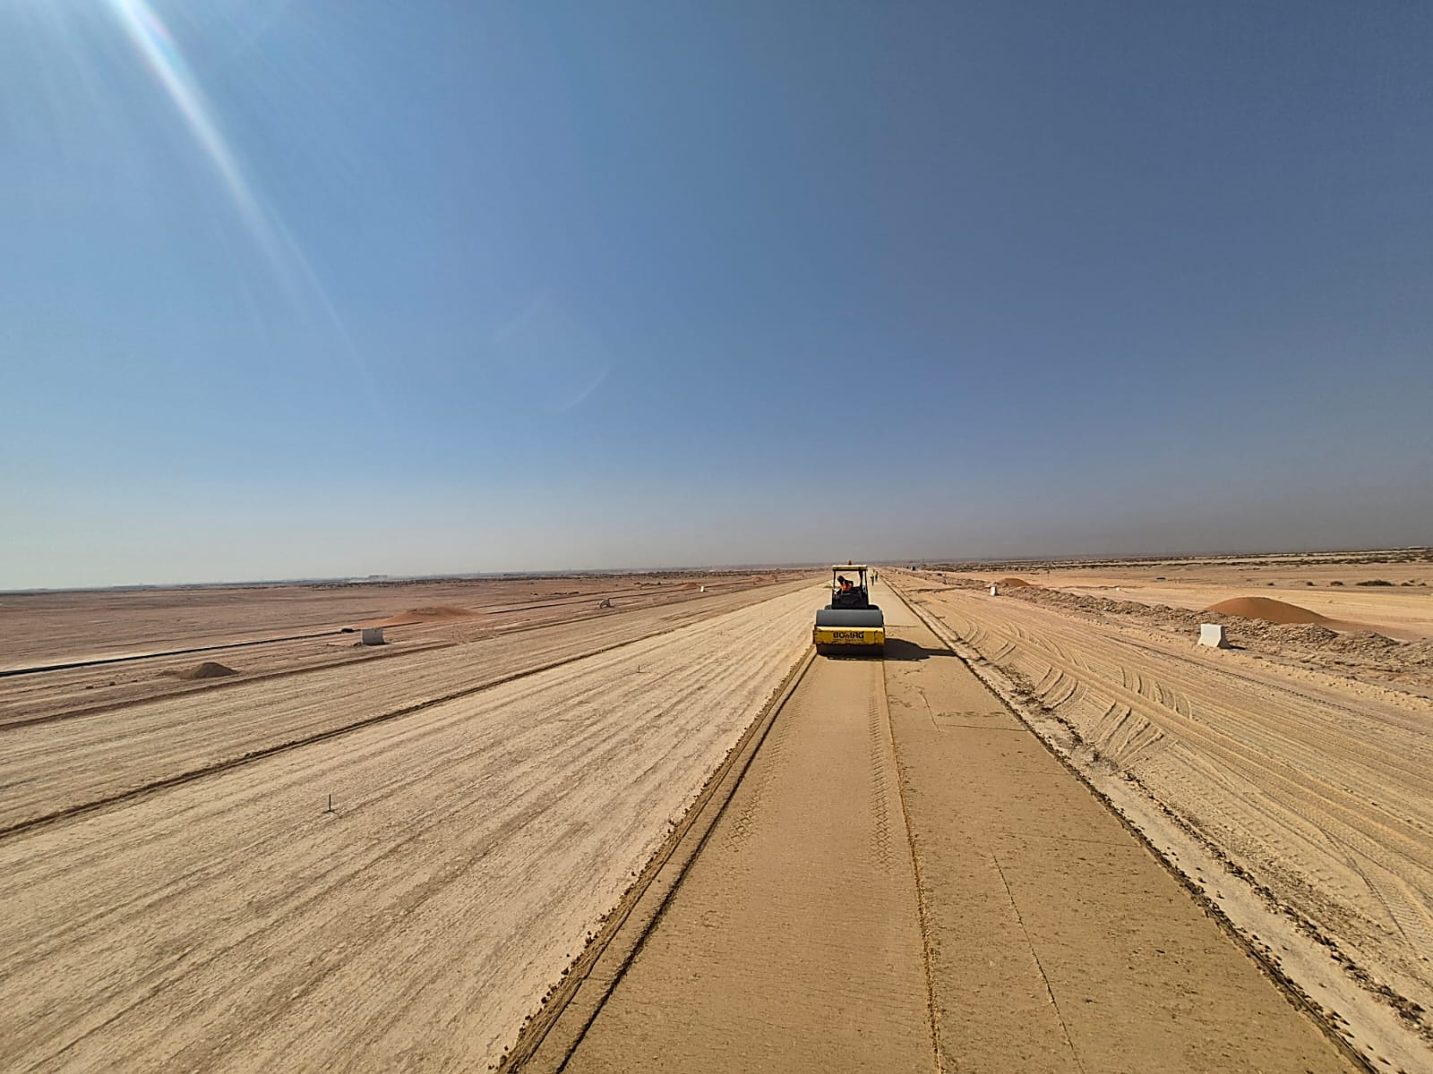 | 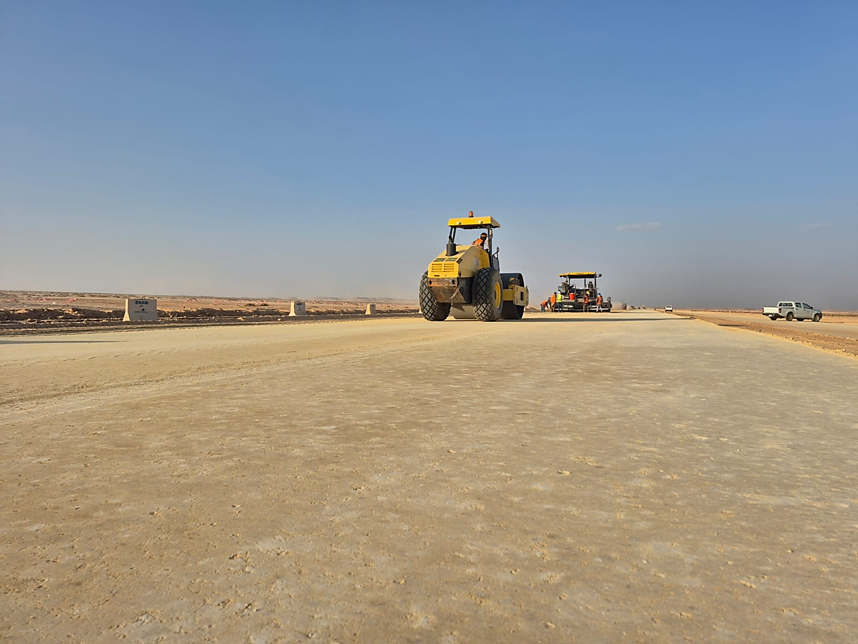

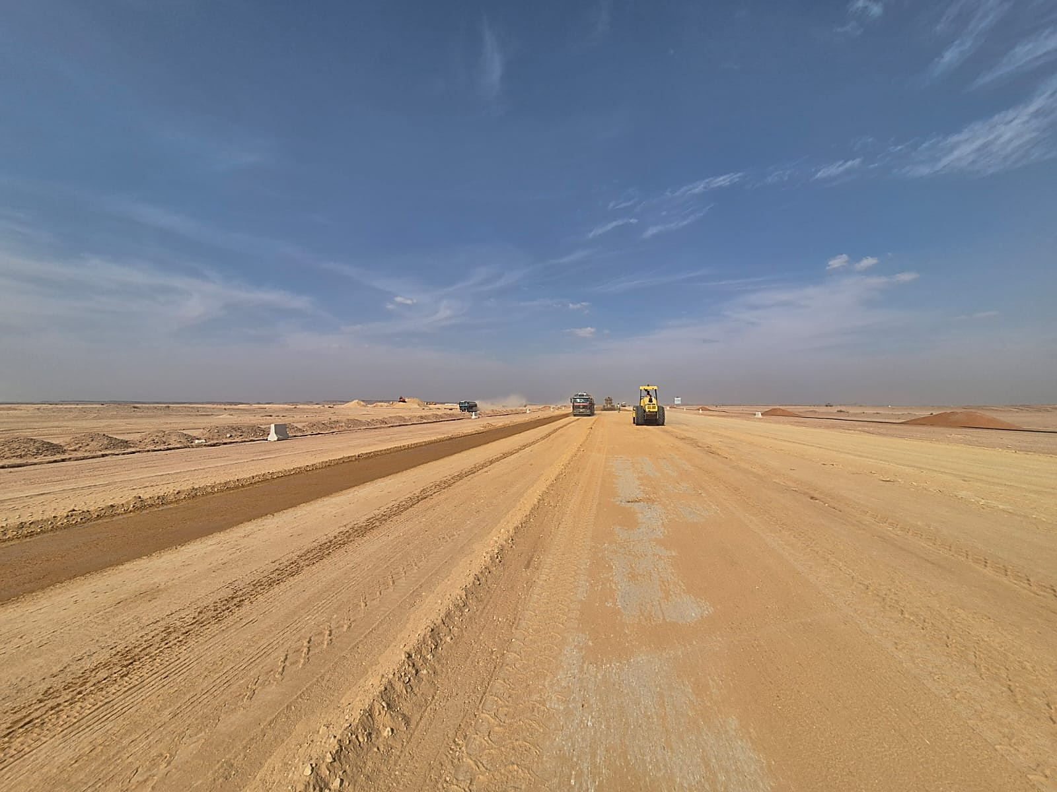
Grading for second layer of subgrade at Road no.1 From st 00+650 to 00+950 | Grading for second layer of subgrade at Road no.1 From st 00+650 to 00+950

Manpower
MANUAL MANPOWER HISTOGRAM
 | Plan - Monthly | Actual - Monthly | Forecast - Monthly
Apr-26 | 18 | 41
May-26 | 30 | 48
Jun-26 | 36 | 62
Jul-26 | 41 | 65
Aug-26 | 47 | 31
Sep-26 | 123 | 31
Oct-26 | 185 | 65
Nov-26 | 200
Dec-26 | 231
Jan-27 | 226
Feb-27 | 219
Mar-27 | 204
Apr-27 | 203
May-27 | 136
Jun-27 | 137
Jul-27 | 106
Aug-27 | 7
Head-Count ( Non Manual)
MONTHS | Apr-26 | May-26 | Jun-26 | Jul-26 | Aug-26 | Sep-26 | Oct-26 | Nov-26 | Dec-26 | Jan-27 | Feb-27 | Mar-27 | Apr-27 | May-27 | Jun-27 | Jul-27 | Aug-27
Plan - Monthly | 12 | 16 | 20 | 29 | 30 | 30 | 32 | 32 | 32 | 30 | 28 | 24 | 21 | 20 | 19 | 21 | 15
Planned - Cumulative | 12 | 24 | 40 | 60 | 89 | 119 | 149 | 181 | 213 | 245 | 275 | 303 | 327 | 348 | 368 | 387 | 408
Actual - Monthly | 12 | 16 | 16 | 16 | 22 | 16 | 22
Actual Cumulative | 12 | 28 | 44 | 60 | 82 | 98 | 120
Forecast - Monthly
Saudi Monthly - Actual
Head-Count (Manual)
MONTHS | Apr-26 | May-26 | Jun-26 | Jul-26 | Aug-26 | Sep-26 | Oct-26 | Nov-26 | Dec-26 | Jan-27 | Feb-27 | Mar-27 | Apr-27 | May-27 | Jun-27 | Jul-27 | Aug-27
Plan - Monthly | 18 | 30 | 36 | 41 | 47 | 123 | 185 | 200 | 231 | 226 | 219 | 204 | 203 | 136 | 137 | 106 | 7
Planned - Cumulative | 18 | 48 | 84 | 125 | 172 | 295 | 480 | 680 | 911 | 1137 | 1356 | 1560 | 1762 | 1898 | 2036 | 2141 | 2148
Actual - Monthly | 41 | 48 | 62 | 65 | 31 | 31 | 65 |  |  |  |  |  |  |  |  |  |  |  |  |  |  |  |  |  |  |  |  |  | 0
Actual Cumulative | 41 | 89 | 151 | 216 | 247 | 278 | 343
Forecast - Monthly
Saudi - Actual

Head-Count (Non-Manual) |  |  |  |  |  |  |  |  |  |  |  |  |  |  |  |  |  |  |  |  |  |  |  |  | Month |  | Oct-26 | Nov-26
Planned | Actual |  | Variance |  | Forecast Next Month |  | Saudi Staff
20 | 22 |  | 2 |  | 0 |  | 3

Head-Count (Manual) |  |  |  |  |  |  |  |  |  |  | Man Power by Trade
Planned | Actual |  | Variance |  | Forecast Next Month |  | Saudi Staff |  |  |  | Key Trade |  | Engineer |  | Doc. Controller |  | Proc. Team | Foreman | Draftman | Driver | UnSkilled Labor | Skiled labour | Others | Total
40 | 65 |  | 25 |  | 0 |  | 0 |  |  |  | Plan |  | 2 |  | 1 |  | 1 | 2 | 1 | 5 | 15 | 8 | 5 | 40
 |  |  |  |  |  |  |  |  |  |  | Actual |  | 10 |  | 1 |  | 1 | 3 | 1 | 31 | 20 | 10 | 10 | 87

EQUIPMENT HISTOGRAM
 | Plan - Monthly | Actual - Monthly | Forecast - Monthly
Apr-26 | 0 | 0
May-26 | 6 | 6
Jun-26 | 6 | 14
Jul-26 | 22 | 17
Aug-26 | 29 | 32
Sep-26 | 48 | 18
Oct-26 | 57 | 32
Nov-26 | 62
Dec-26 | 46
Jan-27 | 31
Feb-27 | 15
Mar-27 | 14
Apr-27 | 10
May-27 | 9
Jun-27 | 8
Jul-27 | 0
Aug-27 | 0
Equipment
MONTHS | Apr-26 | May-26 | Jun-26 | Jul-26 | Aug-26 | Sep-26 | Oct-26 | Nov-26 | Dec-26 | Jan-27 | Feb-27 | Mar-27 | Apr-27 | May-27 | Jun-27 | Jul-27 | Aug-27
Plan - Monthly | 0 | 6 | 6 | 22 | 29 | 48 | 57 | 62 | 46 | 31 | 15 | 14 | 10 | 9 | 8 | 0 | 0
Planned - Cumulative | 0 | 6 | 13 | 19 | 41 | 70 | 118 | 174 | 236 | 282 | 314 | 329 | 342 | 352 | 361 | 369 | 369
Actual - Monthly | 0 | 6 | 14 | 17 | 32 | 18 | 32
Actual Cumulative | 0 | 6 | 20 | 37 | 69 | 87 | 119
Forecast - Monthly

Equipment Count
Planned | Actual |  | Idle |  | Variance |  | Forecast Next Month
29 | 32 |  | 0 |  | 3 |  | 0

Type | Pick Up/Car |  | Bus |  | Dump Truck |  | Boom Truck |  | Generator |  | CRANE |  | Showel |  | Grader |  | Truck | Water Tank | Finisher | Bobcat | Forklift | JCB | Loader | Boom Truck | Road Marker | Total
Plan | 1 |  | 1 |  | 10 |  | 0 |  | 1 |  | 0 |  | 0 |  | 6 |  | 0 | 0 | 0 | 0 | 0 | 0 | 1 | 2 | 0 | 22
Actual | 2 |  | 1 |  | 10 |  | 0 |  | 1 |  | 1 |  | 1 |  | 5 |  | 0 | 2 | 0 | 0 | 0 | 0 | 0 | 0 | 0 | 23
Idle |  |  |  |  |  |  |  |  |  |  |  |  |  |  |  |  |  |  |  |  |  |  |  |  |  | 0

